Table 1
IDTA 02014-1-0 Functional safety for safety-relevant devices
18. November 2022
S P E C I F I C A T I O N
Submodel Template of the Asset Administration Shell

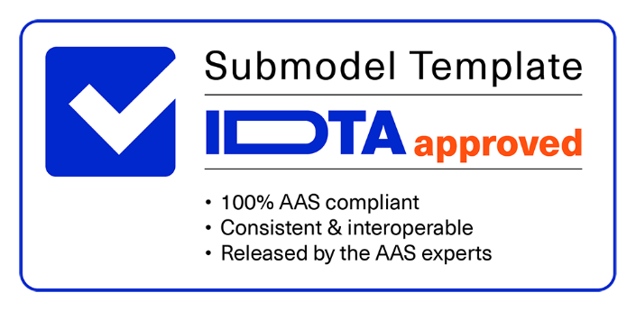

Imprint
Publisher Industrial Digital Twin Association Lyoner Strasse 18 60528 Frankfurt am Main Germany https://www.industrialdigitaltwin.org/ Version history
Date | Version | Comment
2022-11-18 | 1.0 | Release of the official Submodel template published by IDTA.
Contents
1 General 6 1.1 About this document 6 1.2 Scope of the Submodels 6 1.3 Relevant standards for the Submodel template 7 1.4 Use cases, requirements, and design decisions 7 2 Submodel functional safety for safety-relevant devices 8 2.1 Approach 8 2.2 Attributes of the Submodel functional safety for safety-relevant devices 9 2.3 SubmodelElements of OperatingConditionsOfFunctionalSafetyCharacteristics 10 2.4 SubmodelElements of SafetyDeviceTypes 12 2.5 SubmodelElements of SafetySubsystem 13 2.6 SubmodelElements of ElectronicElement 15 2.7 SubmodelElements of ElectromechanicalElement 16 2.8 SubmodelElements of InherentlySafeSubsystem 17 Annex A. Explanations on used table formats 19 1. General
Figures
Figure 1: UML-Diagram for Submodel “functional safety for safety-relevant devices” 8
Tables
Table 1: Attributes of the Submodel FunctionalSafety 9 Table 2: SubmodelElements of OperatingConditionsOfFunctionalSafetyCharacteristics 10 Table 3: SubmodelElements of SafetyDeviceTypes 12 Table 4: SubmodelElements of SafetySubsystem 13 Table 5: SubmodelElements of ElectronicElement 15 Table 6: SubmodelElements of ElectromechanicalElement 16 Table 7: SubmodelElements of InherentlySafeSubsystem 17
1 General
1.1 About this document This document is a part of a specification series. Each part specifies the contents of a Submodel template for the Asset Administration Shell (AAS). The AAS is described in [1], [2], [3] and [6]. First exemplary Submodel contents were described in [4], while the actual format of this document was derived by the "Administration Shell in Practice" [5]. The format aims to be very concise, giving only minimal necessary information for applying a Submodel template, while leaving deeper descriptions and specification of concepts, structures and mapping to the respective documents [1] to [6]. The target group of the specification are developers and editors of technical documentation and manufacturer information, which are describing assets in smart manufacturing by means of the Asset Administration Shell (AAS) and therefore need to create a Submodel instance with a hierarchy of SubmodelElements. This document especially details on the question, which SubmodelElements with which semantic identification shall be used for this purpose.
1.2 Scope of the Submodels Engineering tools used for the design of safety control system of machinery and similar control systems need functional safety and reliability data. The purpose of this Submodel is to define the structure of the engineering data model classes and properties for safety-relevant devices suitable for use in functional safety applications based on VDMA 66413:2012 and other applications. The intended benefits of this Submodel are to: • reduce the costs, time and efforts of mapping data for each customer request; • optimize the workflow of information exchange with engineering tools; • facilitate the selection of a product, especially regarding safety; • give access to product data everywhere regardless of country, language and culture.
1.3 Relevant standards for the Submodel template IEC 60947-1:2020, Low-voltage switchgear and controlgear - Part 1: General rules IEC 61360-1:2017, Standard data element types with associated classification scheme – Part 1: Definitions – Principles and methods IEC 62683-1 DB, Low-voltage switchgear and controlgear - Product data and properties for information exchange - Part 1: Catalogue data IEC 61987 DB, Industrial-process measurement and control - Data structures and elements in process equipment catalogues IEC 61508-2:2010, Functional safety of electrical/electronic/programmable electronic safety-related systems - Part 2: Requirements for electrical/electronic/programmable electronic safety-related systems IEC 62061:2021, Safety of machinery - Functional safety of safety-related control systems ISO 13849-1:2015, Safety of machinery – Safety-related parts of control systems – Part 1: General principles for design VDMA 66413:2012, Functional Safety - Universal data format for safety-related values of components or parts of control system
1.4 Use cases, requirements, and design decisions Application of the relevant standards (1.3) requires the exchange of relevant data between all concerned: machine manufacturers, device manufacturers and calculation tools. Device manufacturers create characteristic value libraries for their devices in “universal data format". The device manufacturer is the person who manufactures devices and/or components and makes them available to the machine manufacturer or user in the spirit of the free movement of goods. As a result, the creator of a characteristic value library can and indeed may only be the device manufacturer. Calculation tool (suppliers) provide a mechanism for importing characteristic value libraries in database format. The characteristic values are prepared for display and selection within the tool. Machine manufacturers use the characteristic values library (file) provided by the device manufacturer to read and update the characteristic values (device data) within the calculation tool. [source: VDMA 66413]
2 Submodel functional safety for safety-relevant devices
2.1 Approach Figure 1 shows the UML-diagram defining the relevant properties which need to be set.
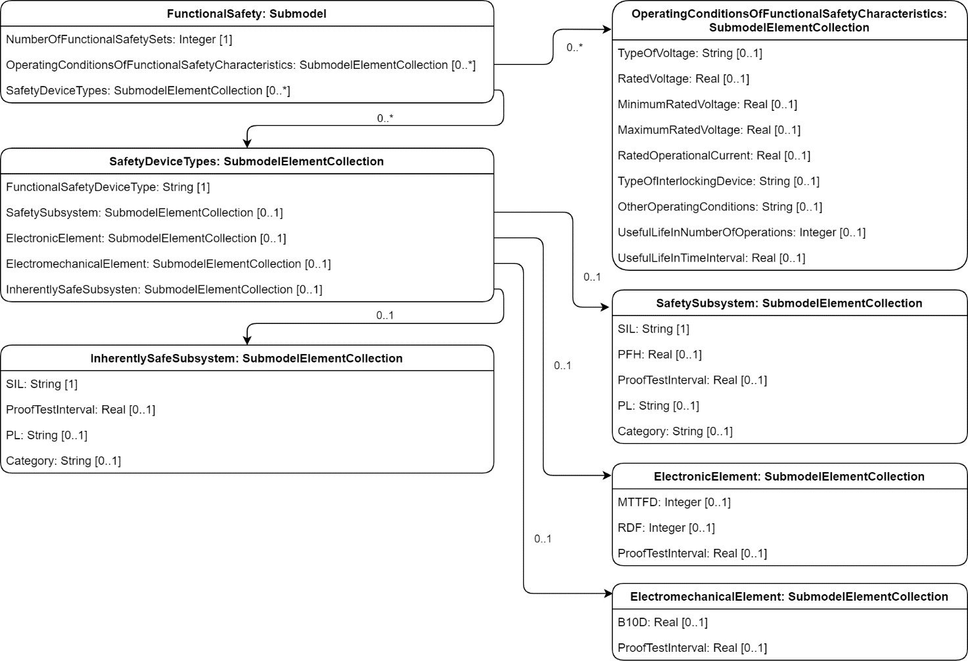
Figure 1: UML-Diagram for Submodel “functional safety for safety-relevant devices”

